Multi-Stream Pte Ltd
Heuristic Evaluation Report (10%)
(to be submitted individually)

Evaluator
Name: | Hng Wu
Admin No: | 231691N
Module Group: | IT1165-03

Site: | http://www.multi-stream.com.sg/index.htm
Description | This is a company website promoting its products and services.

Instruction: | - Focus on finding design issues that violate the 10 Usability Heuristics from Jakob Nielsen or any of the design principles you have learnt so far - Clearly describe them according to the template below. - You are advised to provide 6 to 10 points (max), with a good mix of heuristics and design principles. - Only describe positive observations when you have run out of design issues to report.

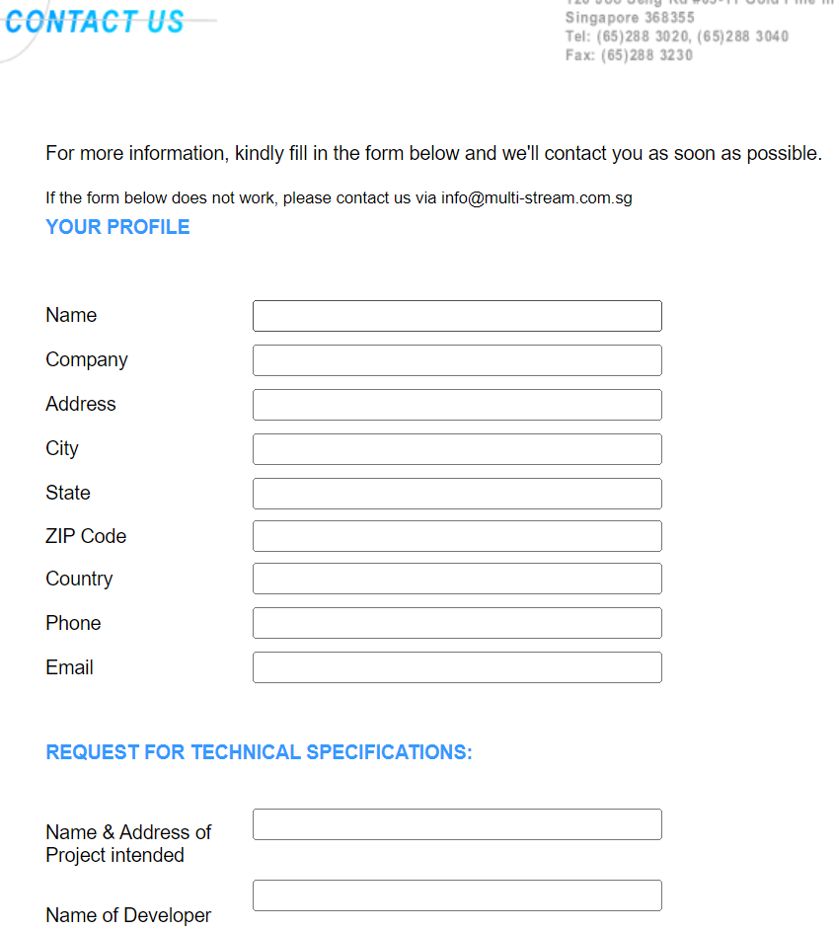
User Task | Description of User Task | Problem Encountered | Violate Heuristic | Possible Cause (opt) | Recommendations | References |  |  | (provide screenshot if needed)
e.g. | e.g. book a room | e.g. No acknowledgement after clicking submit | e.g. 1. Visibility of System Status | e.g. | e.g. to include an acknowledgement page that room is booked with details of booking….etc. | a | 1 | a
1 | Fill in Contact us form | No progress indicator when filling in the form | Visibility of system status | Programmer did not take into account that the form was very long | include progress indicator
2 | Using the navigation Bar | navigation bar contains system-oriented words like sitemap that is unlikely understood by users | Match between system and the real world | poor ux in web design | change the word sitemap in the navigation bar to directory
3 | clicking on the product for more information | No back button when user wants to go back to View Products page | User control and freedom | poor ux in web design | include back button for all product details page
4 | using sitemap | inconsistancy of the colour of text used, some or blue while others are green or black | consistency and standards | poor ux in web design | stick to a consistant texxt colour like black
5 | Fill in Contact us form | no input validation or stating the requirements of the input when filling in form | Error prevention | Programmer assumed the user would know what to fill in | include input validation for all form input
6 | clicking on the product for more information | The link to the product description page does not contain the name of the product | Recognition rather than recall | Programmer assumed the user would remember what he/she clicked | include name of product in all product details pages
7 | Fill in Contact us form | No hints or examples of how the form should filled in | Flexibility and efficiency of use | Programmer assumed the user would know what to fill in | include input placeholder
8 | using webpage | webpage does not resize and fill the screen | Aesthetic and minimalist design | Programmer did not take into account the the differnet screen sizes of the devices they would use | add css code to resize webpage used on user's decide screen size |  | 2
9 | Fill in Contact us form | Error occurred when submitting the form, error description for error unlikely to be understood by user | Help users recognize, diagnose, and recover from errors | problems in the backend of website | change the error description to something the users would understand
10 | user is lost | No FAQs page or section on how to use the website | Help and documentation | Programmer did not take into account that user would be lost | include FAQs page
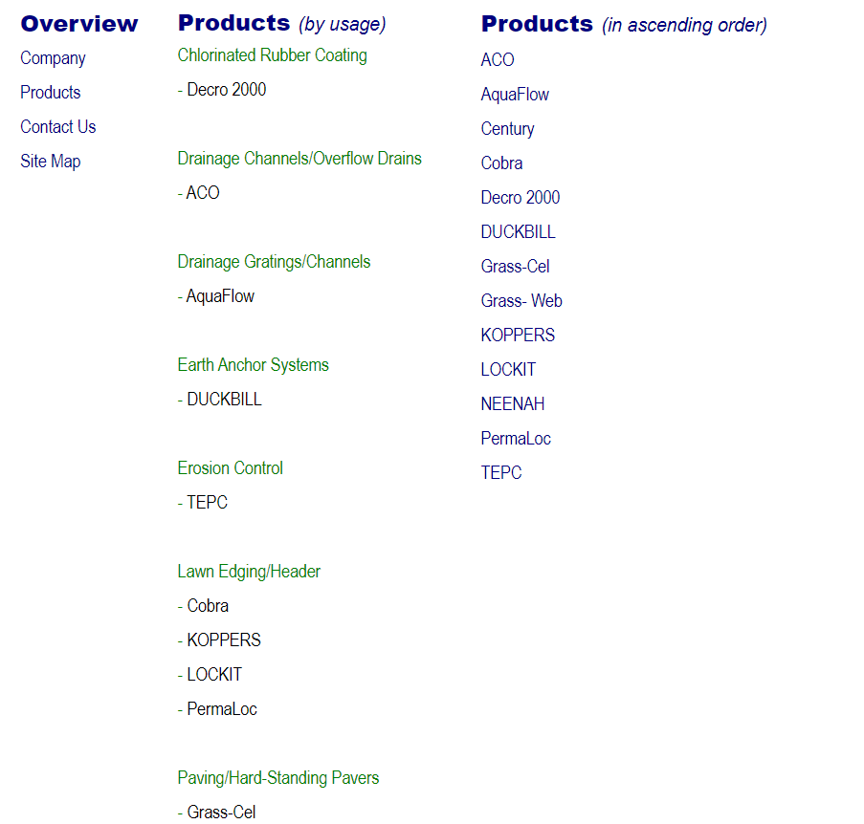
 |  |  |  |  |  |  | 3

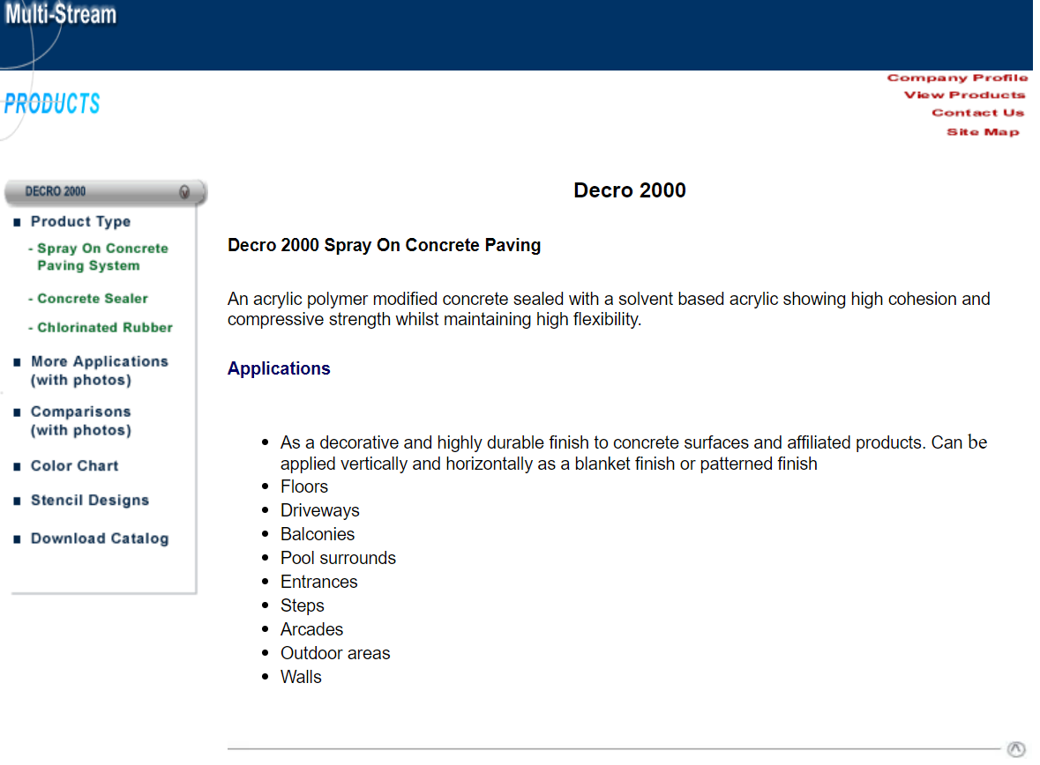
 |  |  |  |  |  |  | 4

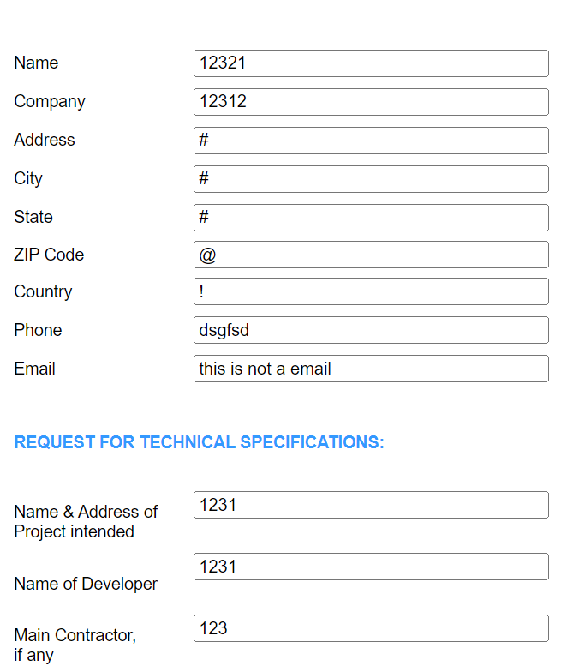
 |  |  |  |  |  |  | 5

 |  |  |  |  |  |  | 6

 |  |  |  |  |  |  | 7

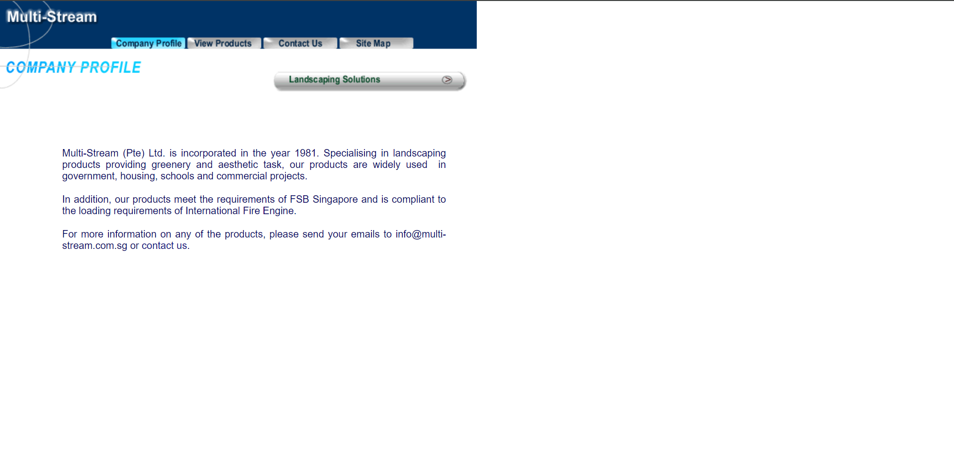
 |  |  |  |  |  |  | 8

 |  |  |  |  |  |  | 9

